Price List
Photos | Item Name | Item No. | Size | Unit Name | MOQ
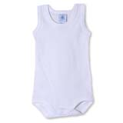 | Baby romper (Sleeveless) | 20101101 | 0-3,3-6,6-9,9-12. | PCS | 100PCS/per size per color
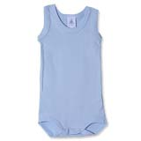 | Baby romper (Sleeveless) | 20101102 | 0-3,3-6,6-9,9-12. | PCS | 100PCS/per size per color
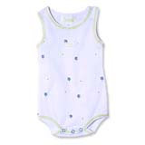 | Baby romper (Sleeveless) | 20101103 | 0-3,3-6,6-9,9-12. | PCS | 100PCS/per size per color
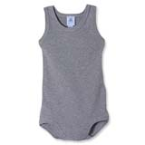 | Baby romper (Sleeveless) | 20101104 | 0-3,3-6,6-9,9-12. | PCS | 100PCS/per size per color
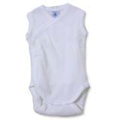 | Baby romper (Short sleeve) | 20101201 | 0-3,3-6,6-9,9-12. | PCS | 100PCS/per size per color
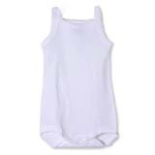 | Baby romper (Short sleeve) | 20101202 | 0-3,3-6,6-9,9-12. | PCS | 100PCS/per size per color
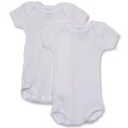 | Baby romper (Short sleeve) | 20102101 | 0-3,3-6,6-9,9-12. | PCS | 100PCS/per size per color
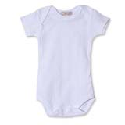 | Baby romper (Short sleeve) | 20102102 | 0-3,3-6,6-9,9-12. | PCS | 100PCS/per size per color
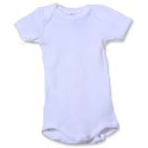 | Baby romper (Short sleeve) | 20102103 | 0-3,3-6,6-9,9-12. | PCS | 100PCS/per size per color
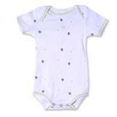 | Baby romper (Short sleeve) | 20102104 | 0-3,3-6,6-9,9-12. | PCS | 100PCS/per size per color
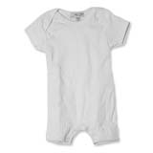 | Baby romper (Short sleeve) | 20102201 | 0-3,3-6,6-9,9-12. | PCS | 100PCS/per size per color
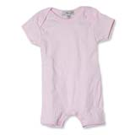 | Baby romper (Short sleeve) | 20102202 | 0-3,3-6,6-9,9-12. | PCS | 100PCS/per size per color
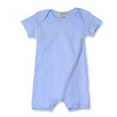 | Baby romper (Short sleeve) | 20102203 | 0-3,3-6,6-9,9-12. | PCS | 100PCS/per size per color
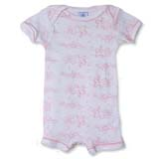 | Baby romper (Short sleeve) | 20102204 | 0-3,3-6,6-9,9-12. | PCS | 100PCS/per size per color
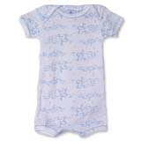 | Baby romper (Short sleeve) | 20102205 | 0-3,3-6,6-9,9-12. | PCS | 100PCS/per size per color
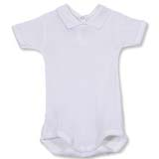 | Baby romper (Short sleeve) | 20102301 | 0-3,3-6,6-9,9-12. | PCS | 100PCS/per size per color
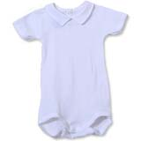 | Baby romper (Short sleeve) | 20102302 | 0-3,3-6,6-9,9-12. | PCS | 100PCS/per size per color
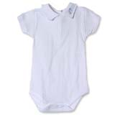 | Baby romper (Short sleeve) | 20102303 | 0-3,3-6,6-9,9-12. | PCS | 100PCS/per size per color
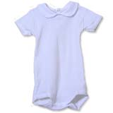 | Baby romper (Short sleeve) | 20102304 | 0-3,3-6,6-9,9-12. | PCS | 100PCS/per size per color
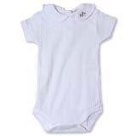 | Baby romper (Short sleeve) | 20102305 | 0-3,3-6,6-9,9-12. | PCS | 100PCS/per size per color
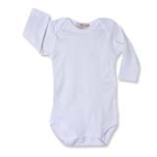 | Baby romper (Long sleeve) | 20103101 | 0-3,3-6,6-9,9-12. | PCS | 100PCS/per size per color
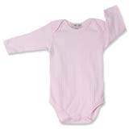 | Baby romper (Long sleeve) | 20103102 | 0-3,3-6,6-9,9-12. | PCS | 100PCS/per size per color
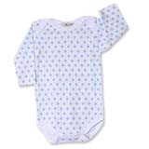 | Baby romper (Long sleeve) | 20103103 | 0-3,3-6,6-9,9-12. | PCS | 100PCS/per size per color
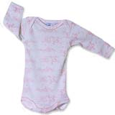 | Baby romper (Long sleeve) | 20103104 | 0-3,3-6,6-9,9-12. | PCS | 100PCS/per size per color
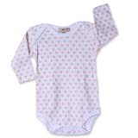 | Baby romper (Long sleeve) | 20103105 | 0-3,3-6,6-9,9-12. | PCS | 100PCS/per size per color
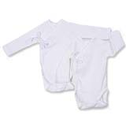 | Baby bodysuits | 20114101 | 0-3,3-6,6-9,9-12,12-18,18-24. | PCS | 100PCS/per size per color
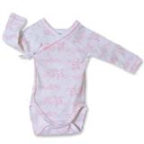 | Baby bodysuits | 20114102 | 0-3,3-6,6-9,9-12,12-18,18-24. | PCS | 100PCS/per size per color
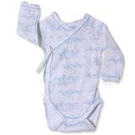 | Baby bodysuits | 20114103 | 0-3,3-6,6-9,9-12,12-18,18-24. | PCS | 100PCS/per size per color
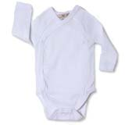 | Baby bodysuits | 20114201 | 0-3,3-6,6-9,9-12,12-18,18-24. | PCS | 100PCS/per size per color
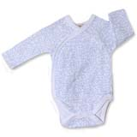 | Baby bodysuits | 20114202 | 0-3,3-6,6-9,9-12,12-18,18-24. | PCS | 100PCS/per size per color
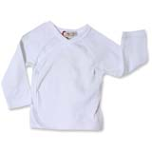 | Baby bodysuits | 20115101 | 0-3,3-6,6-9,9-12,12-18,18-24. | PCS | 100PCS/per size per color
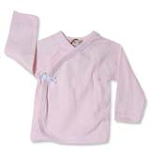 | Baby bodysuits | 20115102 | 0-3,3-6,6-9,9-12,12-18,18-24. | PCS | 100PCS/per size per color
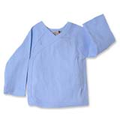 | Baby bodysuits | 20115103 | 0-3,3-6,6-9,9-12,12-18,18-24. | PCS | 100PCS/per size per color
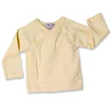 | Baby bodysuits | 20115104 | 0-3,3-6,6-9,9-12,12-18,18-24. | PCS | 100PCS/per size per color
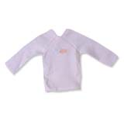 | Baby bodysuits | 20115201 | 0-3,3-6,6-9,9-12,12-18,18-24. | PCS | 100PCS/per size per color
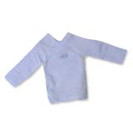 | Baby bodysuits | 20115202 | 0-3,3-6,6-9,9-12,12-18,18-24. | PCS | 100PCS/per size per color
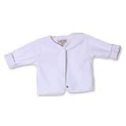 | Baby bodysuits | 20123101 | 0-3,3-6,6-9,9-12,12-18,18-24. | PCS | 100PCS/per size per color
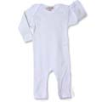 | Long sleeve baby clothes | 201314101 | 3-6,6-9,9-12. | PCS | 100PCS/per size per color
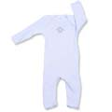 | Long sleeve baby clothes | 201314102 | 3-6,6-9,9-12. | PCS | 100PCS/per size per color
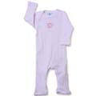 | Long sleeve baby clothes | 201314103 | 3-6,6-9,9-12. | PCS | 100PCS/per size per color
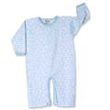 | Long sleeve baby clothes | 201314201 | 3-6,6-9,9-12. | PCS | 100PCS/per size per color
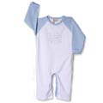 | Long sleeve baby clothes | 201314202 | 3-6,6-9,9-12. | PCS | 100PCS/per size per color
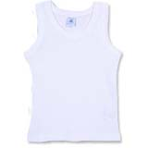 | Baby tank top | 20141101 | 0-3,3-6,6-9,9-12,12-18,18-24. | PCS | 100PCS/per size per color
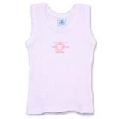 | Baby tank top | 20141102 | 0-3,3-6,6-9,9-12,12-18,18-24. | PCS | 100PCS/per size per color
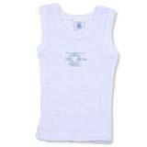 | Baby tank top | 20141103 | 0-3,3-6,6-9,9-12,12-18,18-24. | PCS | 100PCS/per size per color
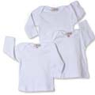 | Baby long sleeve t-shirts | 201511101 | 6-9,9-12,12-18,18-24,24-36. | PCS | 100PCS/per size per color
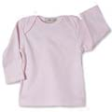 | Baby long sleeve t-shirts | 201511102 | 6-9,9-12,12-18,18-24,24-36. | PCS | 100PCS/per size per color
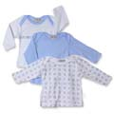 | Baby long sleeve t-shirts | 201511103 | 6-9,9-12,12-18,18-24,24-36. | PCS | 100PCS/per size per color
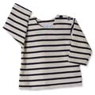 | Baby Shoulder button long sleeve t-shirts | 201511201 | 6-9,9-12,12-18,18-24,24-36. | PCS | 100PCS/per size per color
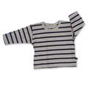 | Baby back button long sleeve t-shirts | 201511301 | 6-9,9-12,12-18,18-24,24-36. | PCS | 100PCS/per size per color
 | Baby back button long sleeve t-shirts | 201511302 | 6-9,9-12,12-18,18-24,24-36. | PCS | 100PCS/per size per color
 | Baby short sleevet-shirts | 201512101 | 6-9,9-12,12-18,18-24,24-36. | PCS | 100PCS/per size per color
 | Baby short sleevet-shirts | 201512102 | 6-9,9-12,12-18,18-24,24-36. | PCS | 100PCS/per size per color
 | Baby back button short sleevet-shirts | 201512301 | 6-9,9-12,12-18,18-24,24-36. | PCS | 100PCS/per size per color
 | Baby back button Lapel short sleevet-shirts | 201512401 | 6-9,9-12,12-18,18-24,24-36. | PCS | 100PCS/per size per color
 | Baby back button Lapel short sleevet-shirts | 201512402 | 6-9,9-12,12-18,18-24,24-36. | PCS | 100PCS/per size per color
 | Baby shorts | 20170103 | 0-3,3-6,6-9,9-12,12-18,18-24. | PCS | 100PCS/per size per color
 | Baby shorts | 20170104 | 0-3,3-6,6-9,9-12,12-18,18-24. | PCS | 100PCS/per size per color
 | Baby shorts | 20170105 | 0-3,3-6,6-9,9-12,12-18,18-24. | PCS | 100PCS/per size per color
 | Baby shorts | 20170106 | 0-3,3-6,6-9,9-12,12-18,18-24. | PCS | 100PCS/per size per color
 | Baby shorts | 20171101 | 0-3,3-6,6-9,9-12,12-18,18-24. | PCS | 100PCS/per size per color
 | Baby shorts | 20171102 | 0-3,3-6,6-9,9-12,12-18,18-24. | PCS | 100PCS/per size per color
 | Baby shorts | 20171103 | 0-3,3-6,6-9,9-12,12-18,18-24. | PCS | 100PCS/per size per color
 | Baby shorts | 20171104 | 0-3,3-6,6-9,9-12,12-18,18-24. | PCS | 100PCS/per size per color
 | Thickening of cotton Baby pants | 20182101 | 0-3,3-6. | PCS | 100PCS/per size per color
 | Thickening of cotton Baby pants | 20182102 | 0-3,3-6. | PCS | 100PCS/per size per color
 | Thickening of cotton Baby pants | 20182103 | 0-3,3-6. | PCS | 100PCS/per size per color
 | Thickening of cotton Baby pants | 20182104 | 0-3,3-6. | PCS | 100PCS/per size per color
 | Thickening of cotton Baby pants | 20182105 | 0-3,3-6. | PCS | 100PCS/per size per color
 | Thickening of cotton Baby pants | 20182501 | 0-3,3-6. | PCS | 100PCS/per size per color
 | Thickening of cotton Baby pants | 20182502 | 0-3,3-6. | PCS | 100PCS/per size per color
 | Thickening of cotton Baby pants | 20182503 | 0-3,3-6. | PCS | 100PCS/per size per color
 | Thickening of cotton Baby pants | 20182504 | 0-3,3-6. | PCS | 100PCS/per size per color
 | Thickening of cotton Baby pants | 20182505 | 0-3,3-6. | PCS | 100PCS/per size per color
 | Thickening of cotton Baby pants | 20182506 | 0-3,3-6. | PCS | 100PCS/per size per color
 | Thickening of cotton Baby pants | 20182507 | 0-3,3-6. | PCS | 100PCS/per size per color
 | Baby waistcoat | 20211101 | 0-3,3-6,6-9,9-12,12-18,18-24. | PCS | 100PCS/per size per color
 | Baby sweaters | 20220101 | 0-3,3-6,6-9,9-12,12-18,18-24. | PCS | 100PCS/per size per color
 | Baby sweaters | 20220201 | 0-3,3-6,6-9,9-12,12-18,18-24. | PCS | 100PCS/per size per color
 | Baby sweaters | 20220301 | 0-3,3-6,6-9,9-12,12-18,18-24. | PCS | 100PCS/per size per color
 | Baby coveralls,snow suits | 20230101 | 0-3,3-6,6-9,9-12,12-18,18-24. | PCS | 100PCS/per size per color
 | Baby coveralls,snow suits | 20230201 | 0-3,3-6,6-9,9-12,12-18,18-24. | PCS | 100PCS/per size per color
 | Baby coveralls,snow suits | 20230301 | 0-3,3-6,6-9,9-12,12-18,18-24. | PCS | 100PCS/per size per color
 | Baby diaper | 20301101 | 50*50cm. 20*20 Inchs | PCS | 100PCS/per size per color
 | Baby diaper | 20301102 | 50*50 cm. 20*20 Inchs | PCS | 100PCS/per size per color
 | Baby diaper cover | 20310101 | One Size. | PCS | 100PCS/per size per color
 | Baby diaper cover | 20310102 | One Size. | PCS | 100PCS/per size per color
 | Baby diaper cover | 203111 | One Size. | PCS | 100PCS/per size per color
 | Baby diaper cover | 203112 | One Size. | PCS | 100PCS/per size per color
 | Baby diaper cover | 203113 | One Size. | PCS | 100PCS/per size per color
 | Baby diaper cover | 203114 | One Size. | PCS | 100PCS/per size per color
 | Baby pillow | 20330011 | One Size. | PCS | 100PCS/per size per color
 | Baby pillow | 20330014 | One Size. | PCS | 100PCS/per size per color
 | Baby pillow | 20330015 | One Size. | PCS | 100PCS/per size per color
 | Baby pillow | 20330016 | One Size. | PCS | 100PCS/per size per color
 | Baby cap | 20400101 | One Size. | PCS | 100PCS/per size per color
 | Baby cap | 20400102 | One Size. | PCS | 100PCS/per size per color
 | Baby cap | 20400103 | One Size. | PCS | 100PCS/per size per color
 | Baby mitten | 20440101 | One Size. | PCS | 100PCS/per size per color
 | Baby mitten | 20440102 | One Size. | PCS | 100PCS/per size per color
 | Baby mitten | 20440103 | One Size. | PCS | 100PCS/per size per color
 | Newborn rice baby powder | 20900001 | 140G. |  | 100KG

